Application Screen
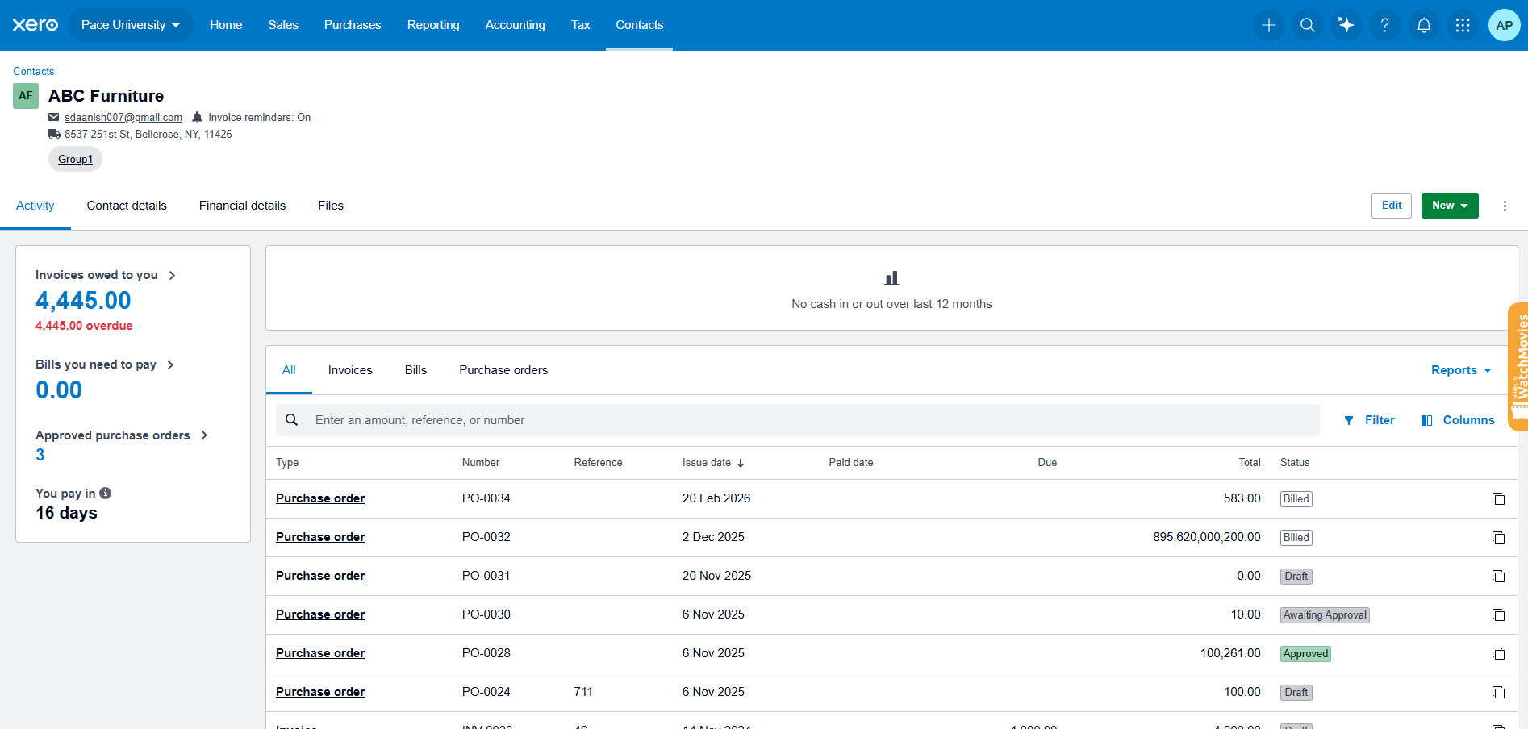
Application Screen: 11.03 Supplier (Vendor) Information Access

